Sheet2
Page:
123
Can't find a booking?
×
Loading...

Add booking to your account

Where can I find this information?


Check-in 29Sep 2016 Thursday
Check-out 1Oct 2016 Saturday

17 South Yunnan Road,Near east yan`an Road, Huangpu, 200021 Shanghai, China

(Phone: +862163288680) View property View your closest attraction: The People's Square
Booking number: 463832544 PIN code: 0103 Set travel purpose
Business trip
Leisure trip
US$91 CNY 596

View booking
View your travel guide



Check-in 1Oct 2016 Saturday
Check-out 5Oct 2016 Wednesday

Flat 1410, 14/F, Hai Phong Mansion, 101 Nathan Road, Tsim Sha Tsui, Hong Kong, Hong Kong

(Phone: +85259633361) View property View your closest attraction: Victoria Harbour
Booking number: 702207702 PIN code: 1869 Set travel purpose
Business trip
Leisure trip
US$183 HK$ 1,420

View booking
View your travel guide

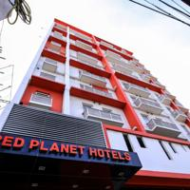

Check-in 5Oct 2016 Wednesday
Check-out 10Oct 2016 Monday

C.M Recto Avenue, 9000 Cagayan de Oro, Philippines

(Phone: +6325190888 ext. 101) View property
Booking number: 537900267 PIN code: 6032 Set travel purpose
Business trip
Leisure trip
US$121 PHP 5,600.21

View booking

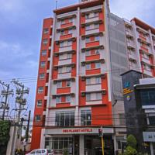

Check-in 9Oct 2016 Sunday
Check-out 10Oct 2016 Monday

36 Archbishop Reyes Avenue, Cebu City, Cebu, Philippines , 6000 Cebu City, Philippines

(Phone: +6325190888 ext. 109) View property
Booking number: 341312353 PIN code: 6889 Mark as business trip
US$45 PHP 2,060.09

View booking
Rent a car
Offered by Rentalcars.com

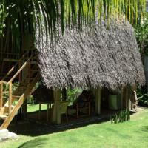

Check-in 10Oct 2016 Monday
Check-out 12Oct 2016 Wednesday

Daorong, Danao, Panglao Island, Bohol, 6340 Panglao City, Philippines

(Phone: +63385028059) View property
Booking number: 354846990 PIN code: 1766 Set travel purpose
Business trip
Leisure trip
US$69 PHP 3,200

View booking
Rent a car
Offered by Rentalcars.com

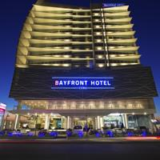

Check-in 12Oct 2016 Wednesday
Check-out 14Oct 2016 Friday

Kaohsiung Street, North Reclamation Area, 6000 Cebu City, Philippines

(Phone: +63322306777) View property
Booking number: 499132191 PIN code: 8203 Mark as business trip
US$94 PHP 4,311.06

View booking
Rent a car
Offered by Rentalcars.com

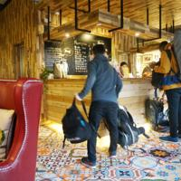

Check-in 14Oct 2016 Friday
Check-out 17Oct 2016 Monday

Taiyiminsheng mansion No.2, Xinghui Road West, Jinniu, 610000 Chengdu, China

(Phone: +862883210525) View property
Booking number: 477132201 PIN code: 5437 Mark as business trip
Booking made for you by Micheli Jorda
US$77 CNY 507

View booking

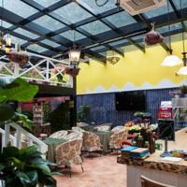

Check-in 22Oct 2016 Saturday
Check-out 23Oct 2016 Sunday

NO.87, Juhuayuan, East St, Beilin District, Beilin, 710004 Xi'an, China

(Phone: +862987519115) View property
Booking number: 879446868 PIN code: 2125 Mark as business trip
US$26 CNY 170.10

View booking

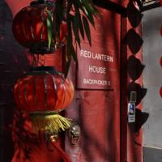

Check-in 24Oct 2016 Monday
Check-out 27Oct 2016 Thursday

Fangguyuan, No.5 Zhengjue Hutong, Xinjiekou South Street , Xicheng, 100035 Beijing, China

(Phone: +861083283935) View property View your closest attraction: Shichahai Area
Booking number: 339628577 PIN code: 4322 Mark as business trip
US$132 CNY 870

View booking
View your travel guide

Check-in 28Oct 2016 Friday
Check-out 30Oct 2016 Sunday
The Phoenix Hostel Shanghai

17 South Yunnan Road,Near east yan`an Road, Huangpu, 200021 Shanghai, China

(Phone: +862163288680) View property View your closest attraction: The People's Square
Booking number: 477115774 PIN code: 6063 Mark as business trip
US$100 CNY 656

View booking
View your travel guide

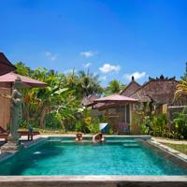

Check-in 19Feb 2017 Sunday
Check-out 23Feb 2017 Thursday
Pajar House Ubud 3 stars 10%

Br. Kelabang Moding, Ubud - Bali, 80571 Ubud, Indonesia

(Phone: +623619000650) View property View your closest attraction: Museum Puri Lukisan
Booking number: 776822855 PIN code: 0116 Set travel purpose
Business trip
Leisure trip
US$150 Rp 1,989,000

View booking
View your travel guide
Rent a car
Offered by Rentalcars.com

Check-in 1Oct 2016 Saturday
Check-out 4Oct 2016 Tuesday
Urban Pack 1 stars
Flat 1410, 14/F, Hai Phong Mansion, 101 Nathan Road, Tsim Sha Tsui, Hong Kong, Hong Kong
Booking number: 702247999 PIN code: 8902 Mark as business trip
Cancelled

Book again
Remove from list

Check-in 29Sep 2016 Thursday
Check-out 30Sep 2016 Friday
The Phoenix Hostel Shanghai
17 South Yunnan Road,Near east yan`an Road, Huangpu, 200021 Shanghai, China
Booking number: 634247454 PIN code: 4427 Set travel purpose
Business trip
Leisure trip
Cancelled

Book again
Remove from list

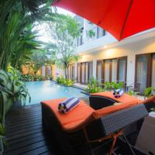

Check-in 5Nov 2015 Thursday
Check-out 7Nov 2015 Saturday
The Pavilion Hotel Kuta 2 stars
Jalan Kuta Theater no 8, 80361 Kuta, Indonesia View your closest attraction: Made's Warung Kuta
Booking number: 935904885 Mark as business trip
US$50 Rp 659,200

Book again
View your travel guide
Remove from list

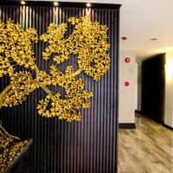

Check-in 5Nov 2015 Thursday
Check-out 9Nov 2015 Monday
Sakura Sky Residence 3 stars
9/1 Sukhumvit 33 Road, Wattana, Wattana, 10100 Bangkok, Thailand View your closest attraction: Central World Plaza
Booking number: 995347132 Mark as business trip
US$136 THB 4,800

Book again
View your travel guide
Remove from list



Check-in 5Nov 2015 Thursday
Check-out 9Nov 2015 Monday
Golden Mountain Hostel
116 Boripat Road, Ban Bat, Pom Prab, Wat Saket, 10200 Bangkok, Thailand
Booking number: 851564496 Set travel purpose
Business trip
Leisure trip
Cancelled

Book again
Remove from list

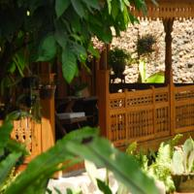

Check-in 31Oct 2015 Saturday
Check-out 5Nov 2015 Thursday
Rumah Lada 2 stars
Br. Silungan, Lodtunduh, 80361 Ubud, Indonesia
Booking number: 845695953 Set travel purpose
Business trip
Leisure trip
Cancelled

Book again
Remove from list

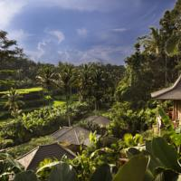

Check-in 31Oct 2015 Saturday
Check-out 5Nov 2015 Thursday
Pondok Sebatu Villa 3 stars
Banjar Sebatu,Desa Sebatu, 80361 Tegalalang, Indonesia
Booking number: 998845835 Set travel purpose
Business trip
Leisure trip
US$382 Rp 5,070,000

Book again
Remove from list

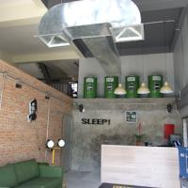

Check-in 27Oct 2015 Tuesday
Check-out 31Oct 2015 Saturday
Sleep Guesthouse 2 stars
26/1 Moon Muang Road Soi7 Tambon Sripoom Ampur Muang, 50200 Chiang Mai, Thailand View your closest attraction: Chedi Luang Temple
Booking number: 763133123 Set travel purpose
Business trip
Leisure trip
US$113 THB 3,996

Book again
View your travel guide
Remove from list

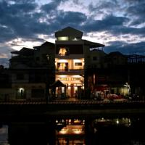

Check-in 24Oct 2015 Saturday
Check-out 27Oct 2015 Tuesday
Kim Xiang Boutique
#023, Vihear Chen Village, Sangkat Svay Dengkum, Siem Reap Central Area, Siem Reap, Cambodia
Booking number: 940957293 Set travel purpose
Business trip
Leisure trip
US$120

Book again
Remove from list

Check-in 22Oct 2015 Thursday
Check-out 24Oct 2015 Saturday
Golden Mountain Hostel
116 Boripat Road, Ban Bat, Pom Prab, Wat Saket, 10200 Bangkok, Thailand View your closest attraction: Wat Phra Kaew (Temple of the Emerald Buddha)
Booking number: 843621085 Set travel purpose
Business trip
Leisure trip
US$97 THB 3,400

Book again
View your travel guide
Remove from list

Page:
123

Micheli, keep this confirmation in your pocket.

No data, WiFi or printer needed with the FREE app.
Available for iPhone, iPad and Android

Send yourself an SMS for the FREE download link (standard rates apply)
Afghanistan ‎+93
Albania ‎+355
Algeria ‎+213
American Samoa ‎+1684
Andorra ‎+376
Angola ‎+244
Anguilla ‎+1264
Antarctica ‎+672
Antigua & Barbuda ‎+1268
Argentina ‎+54
Armenia ‎+374
Aruba ‎+297
Australia ‎+61
Austria ‎+43
Azerbaijan ‎+994
Bahamas ‎+1242
Bahrain ‎+973
Bangladesh ‎+880
Barbados ‎+1246
Belarus ‎+375
Belgium ‎+32
Belize ‎+501
Benin ‎+229
Bermuda ‎+1441
Bhutan ‎+975
Bolivia ‎+591
Bonaire St Eustatius and Saba ‎+599
Bosnia and Herzegovina ‎+387
Botswana ‎+267
Bouvet Island ‎+47
Brazil ‎+55
British Indian Ocean Territory ‎+246
Brunei Darussalam ‎+673
Bulgaria ‎+359
Burkina Faso ‎+226
Burundi ‎+257
Cambodia ‎+855
Cameroon ‎+237
Canada ‎+1
Cape Verde ‎+238
Cayman Islands ‎+1345
Central Africa Republic ‎+236
Chad ‎+235
Chile ‎+56
China ‎+86
Christmas Island ‎+61
Cocos (K) I. ‎+61
Colombia ‎+57
Comoros ‎+269
Congo ‎+242
Cook Islands ‎+682
Costa Rica ‎+506
Croatia ‎+385
Cuba ‎+53
Curaçao ‎+599
Cyprus ‎+357
Czech Republic ‎+420
Côte d'Ivoire ‎+225
Democratic Republic of Congo ‎+243
Denmark ‎+45
Djibouti ‎+253
Dominica ‎+1767
Dominican Republic ‎+1849
East Timor ‎+670
Ecuador ‎+593
Egypt ‎+20
El Salvador ‎+503
Equatorial Guinea ‎+240
Eritrea ‎+291
Estonia ‎+372
Ethiopia ‎+251
Falkland Islands (Malvinas) ‎+500
Faroe Islands ‎+298
Fiji ‎+679
Finland ‎+358
France ‎+33
French Guiana ‎+594
French Polynesia ‎+689
French Southern Territories ‎+596
Gabon ‎+241
Gambia ‎+220
Georgia ‎+995
Germany ‎+49
Ghana ‎+233
Gibraltar ‎+350
Greece ‎+30
Greenland ‎+299
Grenada ‎+1473
Guadeloupe ‎+590
Guam ‎+1671
Guatemala ‎+502
Guernsey ‎+44
Guinea ‎+224
Guinea-Bissau ‎+245
Guyana ‎+592
Haiti ‎+509
Heard and McDonald Islands ‎+692
Honduras ‎+504
Hong Kong ‎+852
Hungary ‎+36
Iceland ‎+354
India ‎+91
Indonesia ‎+62
Iran ‎+98
Iraq ‎+964
Ireland ‎+353
Isle of Man ‎+44
Israel ‎+972
Italy ‎+39
Jamaica ‎+1876
Japan ‎+81
Jersey ‎+44
Jordan ‎+962
Kazakhstan ‎+7
Kenya ‎+254
Kiribati ‎+686
Kuwait ‎+965
Kyrgyzstan ‎+996
Laos ‎+856
Latvia ‎+371
Lebanon ‎+961
Lesotho ‎+266
Liberia ‎+231
Libya ‎+218
Liechtenstein ‎+423
Lithuania ‎+370
Luxembourg ‎+352
Macao ‎+853
Macedonia ‎+389
Madagascar ‎+261
Malawi ‎+265
Malaysia ‎+60
Maldives ‎+960
Mali ‎+223
Malta ‎+356
Marshall Islands ‎+692
Martinique ‎+596
Mauritania ‎+222
Mauritius ‎+230
Mayotte ‎+269
Mexico ‎+52
Micronesia ‎+691
Moldova ‎+373
Monaco ‎+377
Mongolia ‎+976
Montenegro ‎+382
Montserrat ‎+1664
Morocco ‎+212
Mozambique ‎+258
Myanmar ‎+95
Namibia ‎+264
Nauru ‎+674
Nepal ‎+977
Netherlands ‎+31
New Caledonia ‎+687
New Zealand ‎+64
Nicaragua ‎+505
Niger ‎+227
Nigeria ‎+234
Niue ‎+683
Norfolk Island ‎+672
North Korea ‎+850
Northern Mariana Islands ‎+1670
Norway ‎+47
Oman ‎+968
Pakistan ‎+92
Palau ‎+680
Palestinian Territory ‎+970
Panama ‎+507
Papua New Guinea ‎+675
Paraguay ‎+595
Peru ‎+51
Philippines ‎+63
Pitcairn ‎+872
Poland ‎+48
Portugal ‎+351
Puerto Rico ‎+1939
Qatar ‎+974
Reunion ‎+262
Romania ‎+40
Russia ‎+7
Rwanda ‎+250
Saint Barthelemy ‎+590
Saint Kitts and Nevis ‎+1869
Saint Lucia ‎+1758
Saint Martin ‎+590
Saint Vincent & Grenadines ‎+1784
Samoa ‎+685
San Marino ‎+378
Saudi Arabia ‎+966
Senegal ‎+221
Serbia ‎+381
Seychelles ‎+248
Sierra Leone ‎+232
Singapore ‎+65
Sint Maarten ‎+599
Slovakia ‎+421
Slovenia ‎+386
Solomon Islands ‎+677
Somalia ‎+252
South Africa ‎+27
South Georgia and the South Sandwi… ‎+995
South Korea ‎+82
Spain ‎+34
Sri Lanka ‎+94
St Helena ‎+290
St Pierre and Miquelon ‎+508
Sudan ‎+249
Suriname ‎+597
Svalbard & Jan Mayen ‎+378
Swaziland ‎+268
Sweden ‎+46
Switzerland ‎+41
Syria ‎+963
São Tomé and Príncipe ‎+239
Taiwan ‎+886
Tajikistan ‎+992
Tanzania ‎+255
Thailand ‎+66
Togo ‎+228
Tokelau ‎+690
Tonga ‎+676
Trinidad and Tobago ‎+1868
Tunisia ‎+216
Turkey ‎+90
Turkmenistan ‎+993
Turks & Caicos Islands ‎+1649
Tuvalu ‎+688
UK Virgin Islands ‎+1284
US Virgin Islands ‎+1340
USA ‎+1
Uganda ‎+256
Ukraine ‎+380
United Arab Emirates ‎+971
United Kingdom ‎+44
United States Minor Outlying Islan… ‎+1
Uruguay ‎+598
Uzbekistan ‎+998
Vanuatu ‎+678
Vatican City ‎+379
Venezuela ‎+58
Vietnam ‎+84
Wallis and Futuna ‎+681
Yemen ‎+967
Zambia ‎+260
Zimbabwe ‎+263
US +1

Send link to my phone
Standard message and data rates may apply.
Make changes to your booking online

Booking.com for Business

Travel rewards programme
Countries
Regions
Cities
Districts
Airports
Hotels
Places of interest
Apartments
Resorts
Villas
Hostels
B&Bs
Guest houses
All property types
All themes
Reviews
Car hire
Flight finder
Restaurant reservations
Villas.com
Seek&Go

